Enrollment by Country
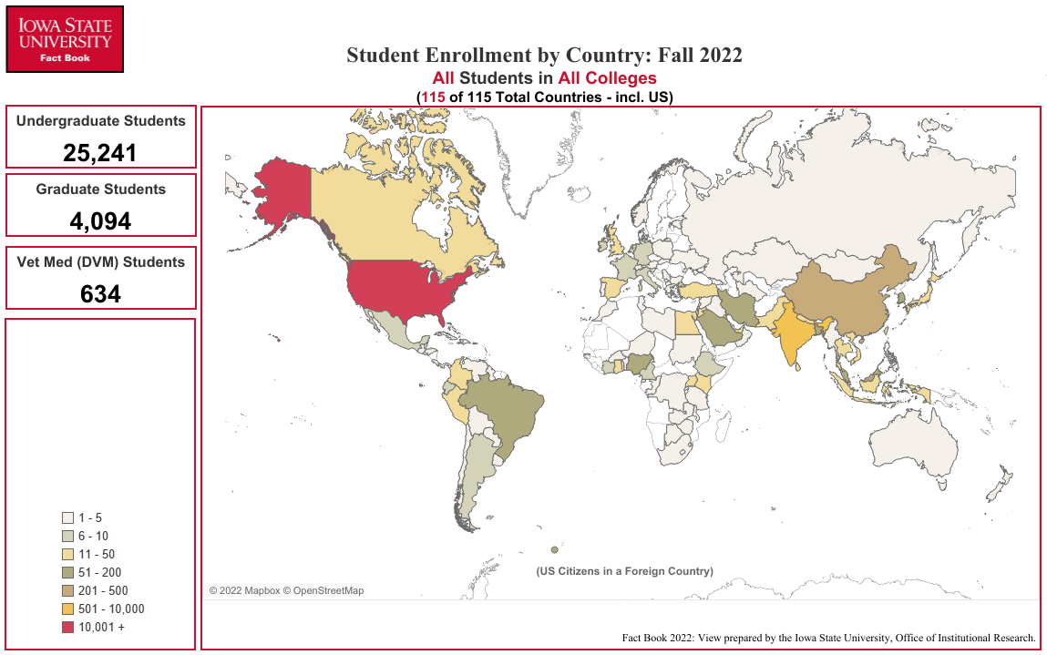
Enrollment by Country
Fall Semester 2022

COUNTRY | UG1 | GR1 | VM1 | Total | COUNTRY | UG1 | GR1 | VM1 | Total | COUNTRY | UG1 | GR1 | VM1 | Total
Argentina | 0 | 9 | 0 | 9 | Honduras | 1 | 0 | 0 | 1 | Poland | 1 | 1 | 0 | 2
Australia | 3 | 0 | 0 | 3 | Hong Kong | 0 | 1 | 0 | 1 | Portugal | 1 | 1 | 0 | 2
Austria | 3 | 1 | 0 | 4 | India | 172 | 381 | 0 | 553 | Qatar | 0 | 1 | 0 | 1
Bangladesh | 8 | 98 | 0 | 106 | Indonesia | 8 | 11 | 0 | 19 | Republic of the Congo | 0 | 1 | 0 | 1
Barbados | 1 | 0 | 0 | 1 | Iran | 4 | 120 | 0 | 124 | Russia | 1 | 3 | 0 | 4
Belize | 1 | 0 | 0 | 1 | Iraq | 0 | 1 | 0 | 1 | Rwanda | 0 | 1 | 0 | 1
Benin | 1 | 2 | 0 | 3 | Ireland | 9 | 0 | 0 | 9 | Saudi Arabia | 23 | 28 | 0 | 51
Bolivia | 2 | 1 | 0 | 3 | Israel | 2 | 0 | 0 | 2 | Serbia | 0 | 2 | 0 | 2
Botswana | 0 | 1 | 0 | 1 | Italy | 5 | 5 | 0 | 10 | Singapore | 2 | 0 | 0 | 2
Brazil | 23 | 30 | 0 | 53 | Japan | 9 | 4 | 0 | 13 | Slovakia | 1 | 0 | 0 | 1
Bulgaria | 0 | 1 | 0 | 1 | Jordan | 1 | 14 | 0 | 15 | Slovenia | 0 | 1 | 0 | 1
Burkina Faso | 0 | 1 | 0 | 1 | Kazakhstan | 1 | 0 | 0 | 1 | South Africa | 3 | 1 | 0 | 4
Burma | 1 | 0 | 0 | 1 | Kenya | 8 | 8 | 1 | 17 | Spain | 17 | 2 | 0 | 19
Cameroon | 6 | 3 | 0 | 9 | Korea, South | 56 | 95 | 1 | 152 | Sri Lanka | 6 | 27 | 0 | 33
Canada | 17 | 9 | 3 | 29 | Kosovo | 0 | 1 | 0 | 1 | Sudan | 2 | 2 | 0 | 4
Chile | 2 | 3 | 0 | 5 | Kuwait | 14 | 4 | 0 | 18 | Swaziland | 0 | 1 | 0 | 1
China | 133 | 340 | 3 | 476 | Lebanon | 1 | 2 | 0 | 3 | Switzerland | 0 | 1 | 0 | 1
Colombia | 3 | 8 | 0 | 11 | Lesotho | 0 | 1 | 0 | 1 | Syria | 2 | 0 | 0 | 2
Costa Rica | 1 | 2 | 0 | 3 | Libya | 0 | 2 | 0 | 2 | Taiwan | 10 | 24 | 2 | 36
Cote d'Ivoire | 4 | 2 | 0 | 6 | Macedonia | 0 | 1 | 0 | 1 | Tanzania | 1 | 3 | 0 | 4
Cuba | 1 | 0 | 0 | 1 | Malawi | 1 | 1 | 0 | 2 | Thailand | 6 | 5 | 0 | 11
Democratic Republic of the Congo | 1 | 0 | 0 | 1 | Malaysia | 101 | 25 | 0 | 126 | The Bahamas | 2 | 0 | 0 | 2
Denmark | 1 | 0 | 0 | 1 | Mauritius | 0 | 1 | 0 | 1 | The Gambia | 0 | 1 | 0 | 1
Dominica | 1 | 1 | 0 | 2 | Mexico | 3 | 7 | 0 | 10 | Togo | 1 | 0 | 0 | 1
Dominican Republic | 1 | 1 | 0 | 2 | Mongolia | 1 | 2 | 0 | 3 | Tunisia | 1 | 0 | 0 | 1
Ecuador | 3 | 4 | 0 | 7 | Morocco | 2 | 0 | 0 | 2 | Turkey | 8 | 25 | 0 | 33
Egypt | 4 | 17 | 0 | 21 | Nepal | 9 | 37 | 0 | 46 | Turkmenistan | 1 | 0 | 0 | 1
El Salvador | 2 | 0 | 0 | 2 | Netherlands | 6 | 1 | 0 | 7 | Uganda | 9 | 16 | 0 | 25
Equatorial Guinea | 1 | 0 | 0 | 1 | New Zealand | 2 | 0 | 0 | 2 | Ukraine | 1 | 3 | 0 | 4
Estonia | 1 | 0 | 0 | 1 | Niger | 0 | 1 | 0 | 1 | United Arab Emirates | 13 | 0 | 0 | 13
Ethiopia | 2 | 6 | 0 | 8 | Nigeria | 8 | 51 | 0 | 59 | United Kingdom | 9 | 3 | 0 | 12
France | 4 | 3 | 0 | 7 | Norway | 2 | 1 | 0 | 3 | United States | 24,288 | 2,485 | 624 | 27,397
Georgia | 1 | 1 | 0 | 2 | Oman | 4 | 0 | 0 | 4 | Uruguay | 0 | 3 | 0 | 3
Germany | 3 | 4 | 0 | 7 | Pakistan | 3 | 33 | 0 | 36 | Venezuela | 3 | 1 | 0 | 4
Ghana | 1 | 48 | 0 | 49 | Palestinian Territories | 0 | 1 | 0 | 1 | Vietnam | 25 | 17 | 0 | 42
Greece | 0 | 4 | 0 | 4 | Panama | 3 | 1 | 0 | 4 | Zambia | 0 | 1 | 0 | 1
Guatemala | 2 | 3 | 0 | 5 | Paraguay | 0 | 1 | 0 | 1 | Zimbabwe | 1 | 1 | 0 | 2
Guyana | 0 | 1 | 0 | 1 | Peru | 8 | 4 | 0 | 12
Haiti | 0 | 1 | 0 | 1 | Philippines | 0 | 2 | 0 | 2 | U.S. Citizen in a Foreign Country | 121 | 8 | 0 | 129

1 Undergraduate, Graduate, Vet Med (DVM)

Office of Institutional Research (Source:e-Data Warehouse)
Last Updated: 9/21/2022 |  |  |  |  |  |  |  |  |  | Total Number: | 25,241 | 4,094 | 634 | 29,969

