Enrollment by Country
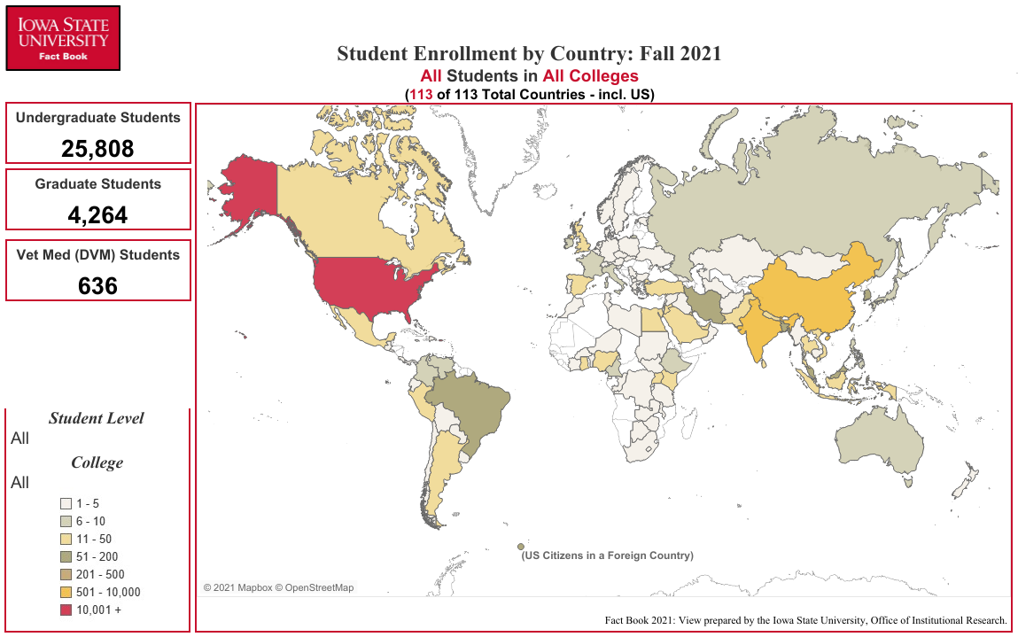
Enrollment by Country
Fall Semester 2021

COUNTRY | UG1 | GR1 | VM1 | Total | COUNTRY | UG1 | GR1 | VM1 | Total | COUNTRY | UG1 | GR1 | VM1 | Total
Afghanistan | 0 | 1 | 0 | 1 | Hong Kong | 3 | 1 | 0 | 4 | Philippines | 3 | 3 | 0 | 6
Argentina | 2 | 10 | 0 | 12 | India | 154 | 374 | 0 | 528 | Poland | 1 | 1 | 0 | 2
Australia | 6 | 0 | 0 | 6 | Indonesia | 10 | 14 | 0 | 24 | Portugal | 1 | 1 | 0 | 2
Austria | 2 | 1 | 0 | 3 | Iran | 3 | 103 | 0 | 106 | Republic of the Congo | 0 | 1 | 0 | 1
Bangladesh | 4 | 77 | 0 | 81 | Iraq | 0 | 1 | 0 | 1 | Russia | 1 | 5 | 0 | 6
Belgium | 1 | 2 | 0 | 3 | Ireland | 6 | 0 | 0 | 6 | Rwanda | 1 | 0 | 0 | 1
Benin | 1 | 2 | 0 | 3 | Israel | 1 | 0 | 0 | 1 | Saudi Arabia | 21 | 27 | 0 | 48
Bolivia | 3 | 0 | 0 | 3 | Italy | 2 | 6 | 0 | 8 | Serbia | 0 | 5 | 0 | 5
Botswana | 0 | 1 | 0 | 1 | Jamaica | 0 | 2 | 0 | 2 | Singapore | 2 | 2 | 0 | 4
Brazil | 25 | 26 | 0 | 51 | Japan | 4 | 3 | 0 | 7 | Slovakia | 1 | 0 | 0 | 1
Bulgaria | 0 | 1 | 0 | 1 | Jordan | 4 | 10 | 0 | 14 | Slovenia | 0 | 1 | 0 | 1
Burkina Faso | 1 | 2 | 0 | 3 | Kazakhstan | 1 | 0 | 0 | 1 | South Africa | 2 | 1 | 0 | 3
Burma | 1 | 1 | 0 | 2 | Kenya | 12 | 5 | 1 | 18 | South Sudan | 1 | 0 | 0 | 1
Cambodia | 1 | 0 | 0 | 1 | Korea, South | 61 | 97 | 1 | 159 | Spain | 13 | 2 | 0 | 15
Cameroon | 4 | 4 | 0 | 8 | Kosovo | 0 | 1 | 0 | 1 | Sri Lanka | 4 | 23 | 0 | 27
Canada | 23 | 16 | 3 | 42 | Kuwait | 19 | 4 | 0 | 23 | Sudan | 1 | 2 | 0 | 3
Chile | 1 | 2 | 0 | 3 | Lebanon | 0 | 2 | 0 | 2 | Sweden | 4 | 0 | 0 | 4
China | 218 | 417 | 3 | 638 | Lesotho | 0 | 1 | 0 | 1 | Switzerland | 0 | 1 | 0 | 1
Colombia | 2 | 4 | 0 | 6 | Libya | 0 | 2 | 0 | 2 | Syria | 2 | 1 | 0 | 3
Costa Rica | 1 | 3 | 0 | 4 | Macedonia | 0 | 1 | 0 | 1 | Taiwan | 14 | 28 | 2 | 44
Cote d'Ivoire | 3 | 0 | 0 | 3 | Malawi | 1 | 1 | 0 | 2 | Tanzania | 0 | 1 | 0 | 1
Czech Republic | 0 | 1 | 0 | 1 | Malaysia | 119 | 30 | 0 | 149 | Thailand | 5 | 6 | 0 | 11
Democratic Republic of the Congo | 2 | 0 | 0 | 2 | Mauritius | 0 | 1 | 0 | 1 | The Bahamas | 2 | 0 | 0 | 2
Denmark | 2 | 0 | 0 | 2 | Mexico | 3 | 10 | 0 | 13 | Trinidad and Tobago | 1 | 0 | 0 | 1
Dominica | 1 | 1 | 0 | 2 | Mongolia | 1 | 1 | 0 | 2 | Tunisia | 1 | 0 | 0 | 1
Dominican Republic | 1 | 1 | 0 | 2 | Morocco | 2 | 0 | 0 | 2 | Turkey | 5 | 26 | 0 | 31
Ecuador | 2 | 2 | 0 | 4 | Nepal | 6 | 30 | 0 | 36 | Turkmenistan | 1 | 0 | 0 | 1
Egypt | 5 | 15 | 0 | 20 | Netherlands | 2 | 1 | 0 | 3 | Uganda | 7 | 13 | 0 | 20
El Salvador | 1 | 0 | 0 | 1 | New Zealand | 1 | 0 | 0 | 1 | Ukraine | 0 | 1 | 0 | 1
Equatorial Guinea | 1 | 0 | 0 | 1 | Niger | 0 | 1 | 0 | 1 | United Arab Emirates | 18 | 0 | 0 | 18
Estonia | 1 | 0 | 0 | 1 | Nigeria | 7 | 34 | 0 | 41 | United Kingdom | 15 | 2 | 0 | 17
Ethiopia | 1 | 6 | 0 | 7 | Norway | 1 | 1 | 0 | 2 | United States | 24,779 | 2,655 | 625 | 28,059
France | 6 | 3 | 1 | 10 | Oman | 5 | 0 | 0 | 5 | Uruguay | 0 | 4 | 0 | 4
Georgia | 0 | 2 | 0 | 2 | Pakistan | 2 | 31 | 0 | 33 | Venezuela | 5 | 1 | 0 | 6
Germany | 3 | 2 | 0 | 5 | Palestinian Territories | 0 | 3 | 0 | 3 | Vietnam | 27 | 16 | 0 | 43
Ghana | 1 | 31 | 0 | 32 | Panama | 3 | 1 | 0 | 4 | Zambia | 0 | 1 | 0 | 1
Greece | 0 | 4 | 0 | 4 | Paraguay | 0 | 1 | 0 | 1 | Zimbabwe | 1 | 2 | 0 | 3
Guatemala | 0 | 3 | 0 | 3 | Peru | 6 | 5 | 0 | 11 | U.S. Citizen in a Foreign Country | 104 | 13 | 0 | 117

1 Undergraduate, Graduate, Vet Med (DVM)

Office of Institutional Research (Source:e-Data Warehouse)
Last Updated: 10/1/2021 |  |  |  |  |  |  |  |  |  | Total Number: | 25,808 | 4,264 | 636 | 30,708

