Enrollment by State
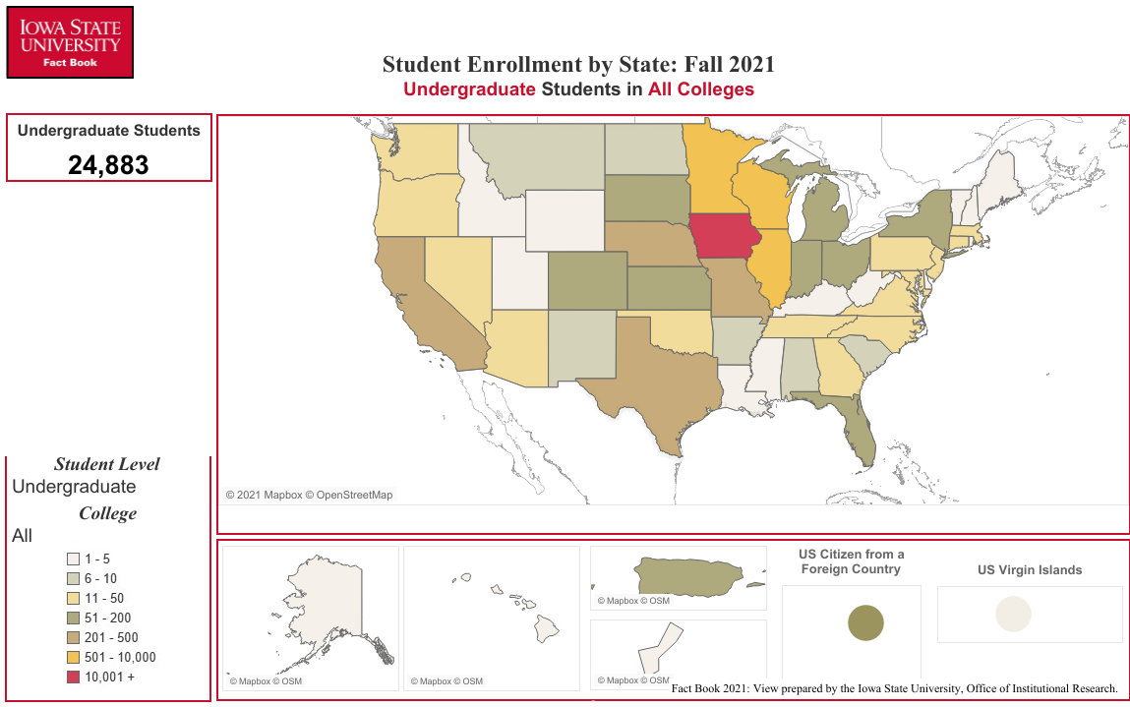
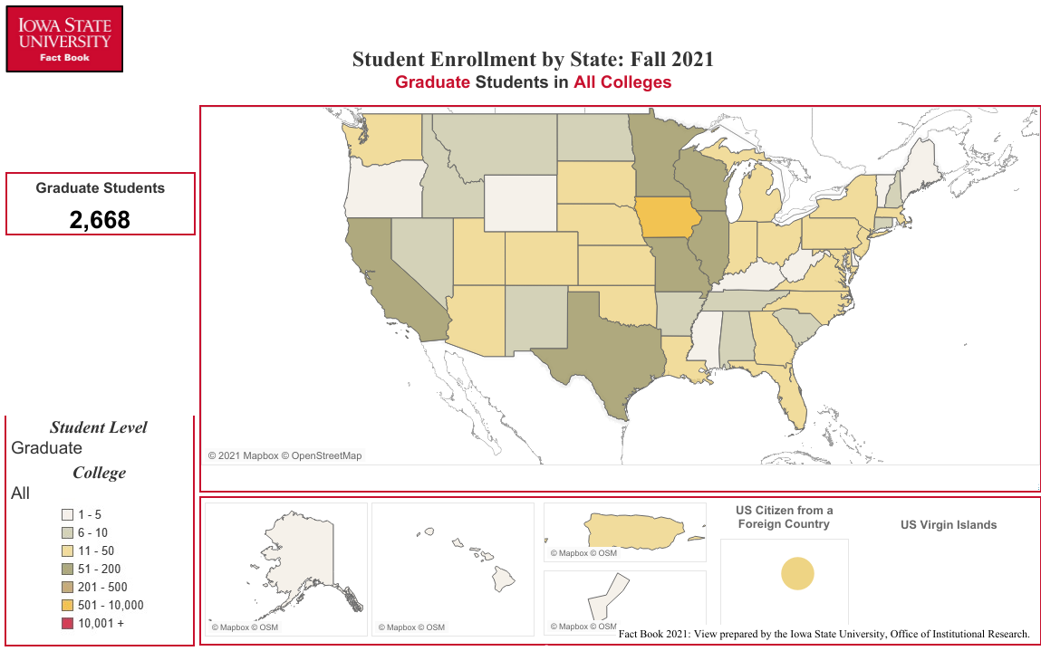
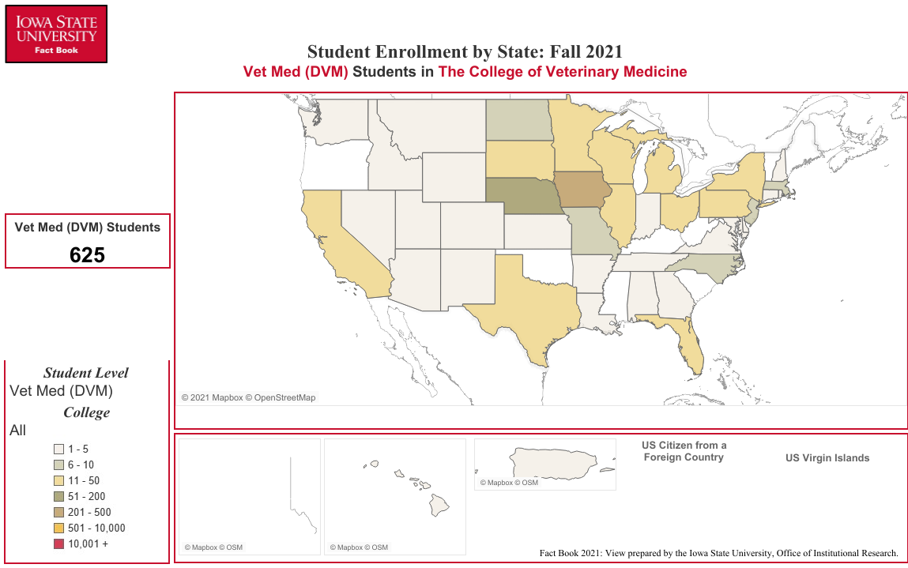
Enrollment by State/Territory
Fall Semester 2021

STATE | UG1 | GR1 | VM1 | Total | STATE | UG1 | GR1 | VM1 | Total | TERRITORY | UG1 | GR1 | VM1 | Total
Alabama | 6 | 10 | 1 | 17 | Montana | 6 | 8 | 3 | 17 | American Samoa | 0 | 1 | 0 | 1
Alaska | 4 | 1 | 0 | 5 | Nebraska | 293 | 48 | 108 | 449 | Dist. of Columbia | 3 | 3 | 0 | 6
Arizona | 33 | 21 | 5 | 59 | Nevada | 11 | 8 | 1 | 20 | Guam | 1 | 3 | 0 | 4
Arkansas | 8 | 10 | 1 | 19 | New Hampshire | 3 | 9 | 1 | 13 | Mariana Islands | 0 | 1 | 0 | 1
California | 207 | 80 | 21 | 308 | New Jersey | 46 | 15 | 6 | 67 | Puerto Rico | 139 | 14 | 3 | 156
Colorado | 117 | 37 | 4 | 158 | New Mexico | 8 | 10 | 1 | 19 | Virgin Islands | 3 | 0 | 0 | 3
Connecticut | 20 | 7 | 5 | 32 | New York | 54 | 45 | 12 | 111 | N/A | 1 | 0 | 0 | 1
Delaware | 3 | 3 | 1 | 7 | North Carolina | 27 | 26 | 8 | 61
Florida | 60 | 35 | 13 | 108 | North Dakota | 10 | 9 | 7 | 26 | U.S. Citizen in a
Georgia | 37 | 24 | 3 | 64 | Ohio | 62 | 41 | 11 | 114 | Foreign Country | 104 | 13 | 0 | 117
Hawaii | 4 | 1 | 3 | 8 | Oklahoma | 18 | 15 | 0 | 33
Idaho | 3 | 10 | 4 | 17 | Oregon | 18 | 5 | 0 | 23
Illinois | 3728 | 193 | 18 | 3,939 | Pennsylvania | 48 | 24 | 14 | 86
Indiana | 53 | 25 | 5 | 83 | Rhode Island | 3 | 0 | 1 | 4 | Residency Not
Iowa | 15706 | 1287 | 239 | 17,232 | South Carolina | 10 | 7 | 0 | 17 | Established | 10 | 34 | 0 | 44
Kansas | 189 | 33 | 4 | 226 | South Dakota | 96 | 16 | 20 | 132
Kentucky | 5 | 4 | 0 | 9 | Tennessee | 21 | 8 | 3 | 32
Louisiana | 2 | 11 | 1 | 14 | Texas | 240 | 71 | 11 | 322
Maine | 1 | 1 | 0 | 2 | Utah | 3 | 12 | 2 | 17 | International
Maryland | 27 | 19 | 3 | 49 | Vermont | 5 | 1 | 0 | 6 | (non-U.S.) | 925 | 1,596 | 11 | 2,532
Massachusetts | 28 | 12 | 6 | 46 | Virginia | 42 | 27 | 4 | 73
Michigan | 67 | 22 | 14 | 103 | Washington | 28 | 27 | 5 | 60
Minnesota | 2366 | 166 | 27 | 2,559 | West Virginia | 4 | 2 | 0 | 6
Mississippi | 4 | 2 | 0 | 6 | Wisconsin | 595 | 81 | 15 | 691
Missouri | 292 | 68 | 9 | 369 | Wyoming | 1 | 2 | 2 | 5

 |  |  |  |  |  |  |  |  |  | Total Number: | 25,808 | 4,264 | 636 | 30,708
1 Undergraduate, Graduate, Vet Med (DVM)

Office of Institutional Research (Source:e-Data Warehouse)
Last Updated: 10/1/2021

