Enrollment by County
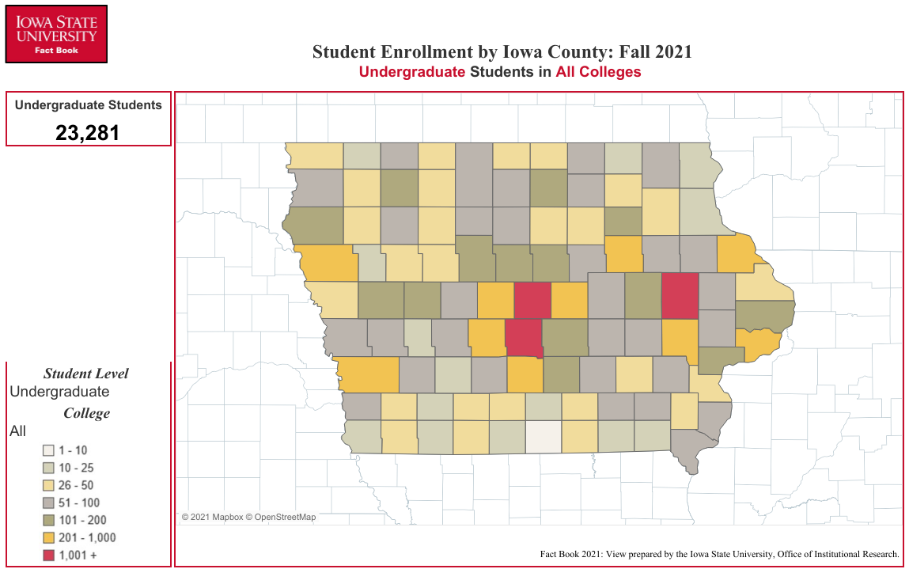
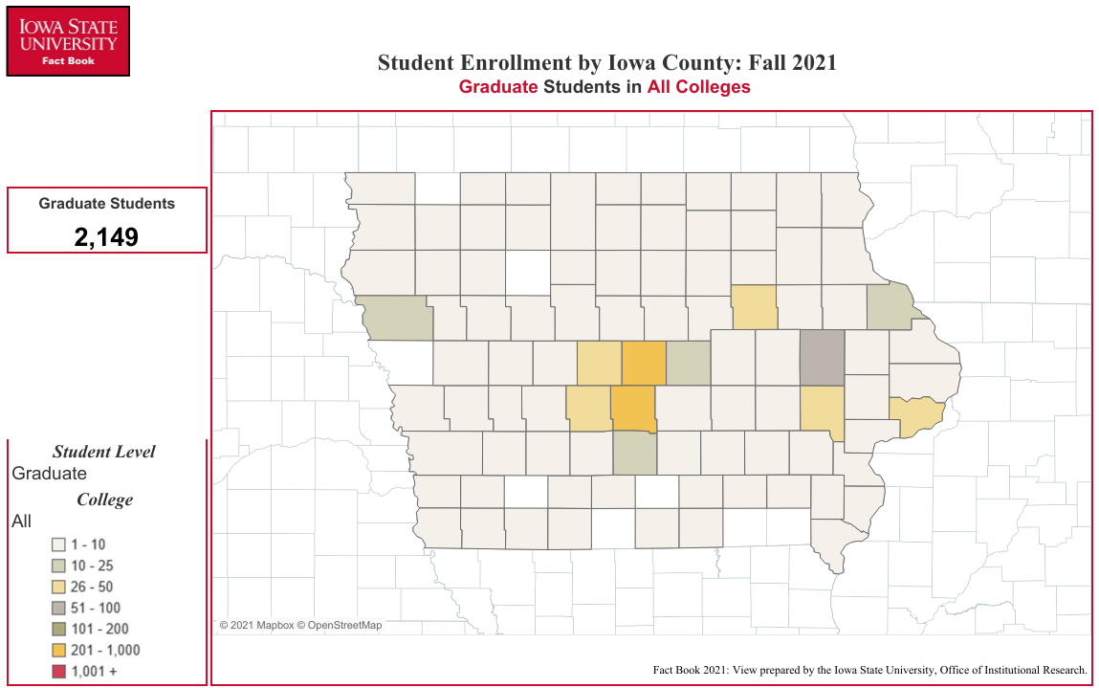
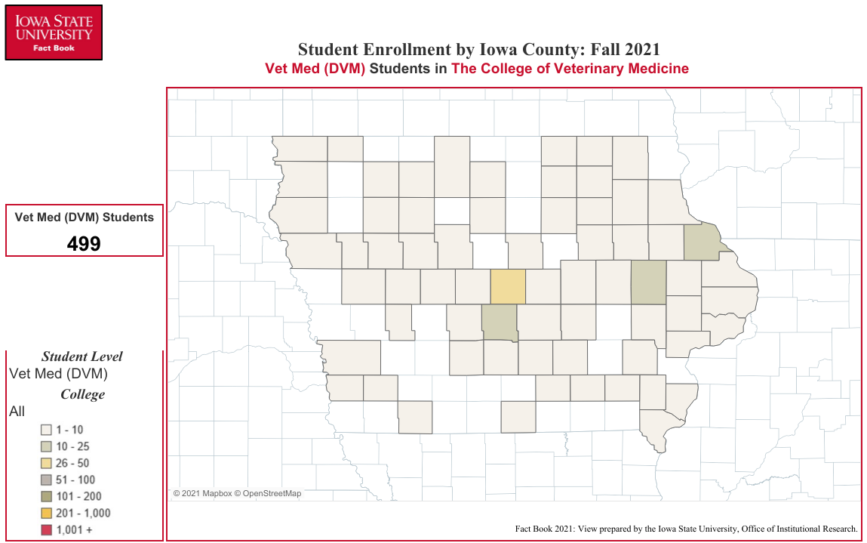
Enrollment by Iowa County
Fall Semester 2021

COUNTY | UG1 | GR1 | VM1 | Total |  | COUNTY | UG1 | GR1 | VM1 | Total |  | COUNTY | UG1 | GR1 | VM1 | Total
Adair | 13 | 4 | 0 | 17 | 0 | Floyd | 76 | 1 | 2 | 79 | 0 | Monona | 28 | 0 | 0 | 28
Adams | 11 | 0 | 0 | 11 | 0 | Franklin | 36 | 1 | 0 | 37 | 0 | Monroe | 39 | 2 | 1 | 42
Allamakee | 25 | 2 | 0 | 27 | 0 | Fremont | 20 | 1 | 0 | 21 |  | Montgomery | 29 | 2 | 2 | 33
Appanoose | 30 | 1 | 0 | 31 |  | Greene | 63 | 3 | 3 | 69 | 0 | Muscatine | 150 | 10 | 4 | 164
Audubon | 25 | 2 | 3 | 30 | 0 | Grundy | 72 | 8 | 0 | 80 | 0 | O'Brien | 47 | 4 | 0 | 51
Benton | 107 | 5 | 3 | 115 | 0 | Guthrie | 69 | 7 | 0 | 76 | 0 | Osceola | 25 | 0 | 1 | 26
Black Hawk | 406 | 38 | 8 | 452 | 0 | Hamilton | 109 | 8 | 0 | 117 | 0 | Page | 37 | 1 | 0 | 38
Boone | 213 | 26 | 1 | 240 | 0 | Hancock | 73 | 3 | 1 | 77 | 0 | Palo Alto | 34 | 2 | 1 | 37
Bremer | 111 | 8 | 2 | 121 | 0 | Hardin | 115 | 7 | 2 | 124 | 0 | Plymouth | 149 | 5 | 3 | 157
Buchanan | 75 | 4 | 2 | 81 | 0 | Harrison | 54 | 4 | 0 | 58 | 0 | Pocahontas | 31 | 0 | 1 | 32
Buena Vista | 72 | 6 | 1 | 79 | 0 | Henry | 50 | 1 | 1 | 52 | 0 | Polk | 4,023 | 325 | 24 | 4,372
Butler | 49 | 1 | 2 | 52 | 0 | Howard | 20 | 2 | 2 | 24 | 0 | Pottawattamie | 299 | 8 | 4 | 311
Calhoun | 47 | 2 | 1 | 50 | 0 | Humboldt | 68 | 3 | 0 | 71 | 0 | Poweshiek | 51 | 6 | 1 | 58
Carroll | 176 | 9 | 4 | 189 | 0 | Ida | 25 | 1 | 2 | 28 | 0 | Ringgold | 26 | 1 | 0 | 27
Cass | 57 | 1 | 0 | 58 | 0 | Iowa | 77 | 3 | 0 | 80 | 0 | Sac | 27 | 4 | 3 | 34
Cedar | 87 | 1 | 3 | 91 | 0 | Jackson | 48 | 2 | 1 | 51 | 0 | Scott | 668 | 39 | 9 | 716
Cerro Gordo | 171 | 8 | 0 | 179 | 0 | Jasper | 158 | 10 | 3 | 171 | 0 | Shelby | 80 | 4 | 0 | 84
Cherokee | 27 | 2 | 0 | 29 | 0 | Jefferson | 60 | 6 | 1 | 67 | 0 | Sioux | 84 | 3 | 10 | 97
Chickasaw | 46 | 1 | 1 | 48 | 0 | Johnson | 406 | 41 | 8 | 455 | 0 | Story | 1,146 | 327 | 34 | 1,507
Clarke | 32 | 2 | 0 | 34 | 0 | Jones | 57 | 3 | 2 | 62 | 0 | Tama | 78 | 2 | 1 | 81
Clay | 103 | 4 | 1 | 108 | 0 | Keokuk | 37 | 3 | 0 | 40 | 0 | Taylor | 21 | 1 | 1 | 23
Clayton | 24 | 4 | 1 | 29 | 0 | Kossuth | 63 | 5 | 3 | 71 | 0 | Union | 45 | 4 | 0 | 49
Clinton | 131 | 8 | 1 | 140 | 0 | Lee | 55 | 6 | 2 | 63 | 0 | Van Buren | 13 | 0 | 0 | 13
Crawford | 107 | 5 | 1 | 113 | 0 | Linn | 1,037 | 60 | 13 | 1,110 | 0 | Wapello | 61 | 8 | 2 | 71
Dallas | 905 | 47 | 4 | 956 | 0 | Louisa | 29 | 4 | 0 | 33 | 0 | Warren | 343 | 19 | 8 | 370
Davis | 20 | 0 | 0 | 20 | 0 | Lucas | 15 | 0 | 0 | 15 | 0 | Washington | 86 | 7 | 2 | 95
Decatur | 20 | 0 | 0 | 20 | 0 | Lyon | 32 | 1 | 1 | 34 | 0 | Wayne | 9 | 1 | 1 | 11
Delaware | 88 | 4 | 2 | 94 | 0 | Madison | 93 | 5 | 5 | 103 | 0 | Webster | 126 | 9 | 2 | 137
Des Moines | 77 | 8 | 1 | 86 | 0 | Mahaska | 51 | 3 | 3 | 57 | 0 | Winnebago | 47 | 4 | 0 | 51
Dickinson | 77 | 4 | 0 | 81 | 0 | Marion | 167 | 8 | 3 | 178 | 0 | Winneshiek | 57 | 3 | 1 | 61
Dubuque | 346 | 16 | 14 | 376 | 0 | Marshall | 250 | 16 | 1 | 267 | 0 | Woodbury | 371 | 21 | 3 | 395
Emmet | 27 | 1 | 0 | 28 | 0 | Mills | 91 | 1 | 1 | 93 | 0 | Worth | 26 | 1 | 0 | 27
Fayette | 49 | 3 | 1 | 53 | 0 | Mitchell | 64 | 4 | 2 | 70 | 0 | Wright | 56 | 6 | 1 | 63

 |  |  |  |  |  |  |  |  |  |  |  | Total Number: | 15,706 | 1,287 | 239 | 17,232
1 Undergraduate, Graduate, Vet Med (DVM)

Office of Institutional Research (Source:e-Data Warehouse)
Last Updated: 10/1/2021

