Alumni Inside US
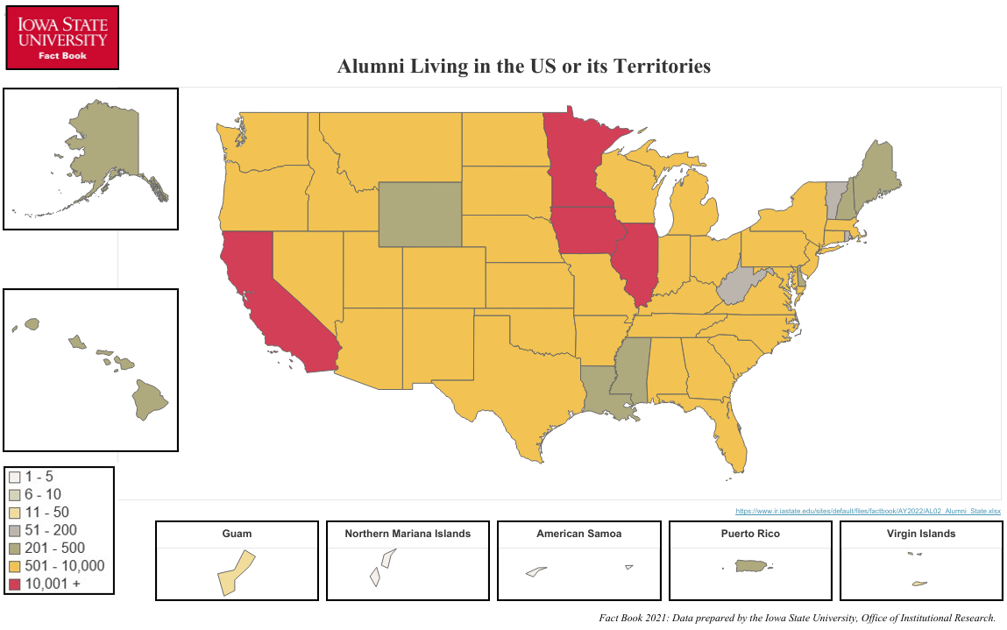
Alumni Living in the United States or its Territories
Fall 2021 Living Alumni

STATE/TERRITORY AND NUMBER OF LIVING ALUMNI WITH KNOWN ADDRESSES
Alabama | 715 | Montana | 589 | District of Columbia | 320
Alaska | 318 | Nebraska | 5,651 | American Samoa | 2
Arizona | 4,740 | Nevada | 876 | Guam | 19
Arkansas | 877 | New Hampshire | 300 | Northern Mariana Islands | 3
California | 11,222 | New Jersey | 1,296 | Puerto Rico | 282
Colorado | 7,606 | New Mexico | 862 | U.S. Virgin Islands | 26
Connecticut | 709 | New York | 2,439
Delaware | 240 | North Carolina | 2,849
Florida | 5,329 | North Dakota | 515
Georgia | 2,263 | Ohio | 2,607
Hawaii | 387 | Oklahoma | 1,006
Idaho | 808 | Oregon | 2,040
Illinois | 17,847 | Pennsylvania | 1,986
Indiana | 2,428 | Rhode Island | 140
Iowa | 119,469 | South Carolina | 1,083
Kansas | 4,102 | South Dakota | 1,825
Kentucky | 746 | Tennessee | 1,588
Louisiana | 493 | Texas | 9,463
Maine | 285 | Utah | 714
Maryland | 1,936 | Vermont | 171
Massachusetts | 1,423 | Virginia | 2,892
Michigan | 2,687 | Washington | 4,125
Minnesota | 19,437 | West Virginia | 138
Mississippi | 266 | Wisconsin | 6,570
Missouri | 5,801 | Wyoming | 345

 |  |  |  | Total Number: | 264,856
Office of Institutional Research (Source: ISU Foundation)
Last Updated: 10/19/2021

