Alumni Inside US
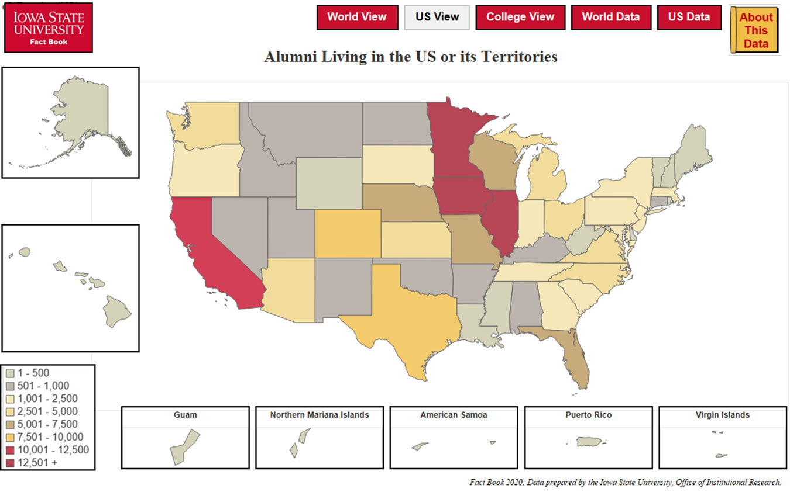
Alumni Living in the United States or its Territories
Fall 2020 Living Alumni

STATE/TERRITORY AND NUMBER OF LIVING ALUMNI WITH KNOWN ADDRESSES
Alabama | 693 | Montana | 583 | District of Columbia | 342
Alaska | 319 | Nebraska | 5,551 | American Samoa | 2
Arizona | 4,629 | Nevada | 867 | Guam | 22
Arkansas | 880 | New Hampshire | 297 | Northern Mariana Islands | 3
California | 11,224 | New Jersey | 1,294 | Puerto Rico | 262
Colorado | 7,515 | New Mexico | 856 | Virgin Islands | 26
Connecticut | 708 | New York | 2,485
Delaware | 244 | North Carolina | 2,773
Florida | 5,164 | North Dakota | 508
Georgia | 2,250 | Ohio | 2,585
Hawaii | 371 | Oklahoma | 991
Idaho | 808 | Oregon | 2,040
Illinois | 17,400 | Pennsylvania | 1,979
Indiana | 2,406 | Rhode Island | 131
Iowa | 116,606 | South Carolina | 1,052
Kansas | 4,092 | South Dakota | 1,788
Kentucky | 752 | Tennessee | 1,540
Louisiana | 493 | Texas | 9,294
Maine | 276 | Utah | 706
Maryland | 1,929 | Vermont | 172
Massachusetts | 1,418 | Virginia | 2,875
Michigan | 2,693 | Washington | 4,089
Minnesota | 19,017 | West Virginia | 142
Mississippi | 268 | Wisconsin | 6,400
Missouri | 5,756 | Wyoming | 337

 |  |  |  | Total Number: | 259,903
Office of Institutional Research (Source: ISU Foundation)
Last Updated: 10/11/2020

