Enrollment by Country
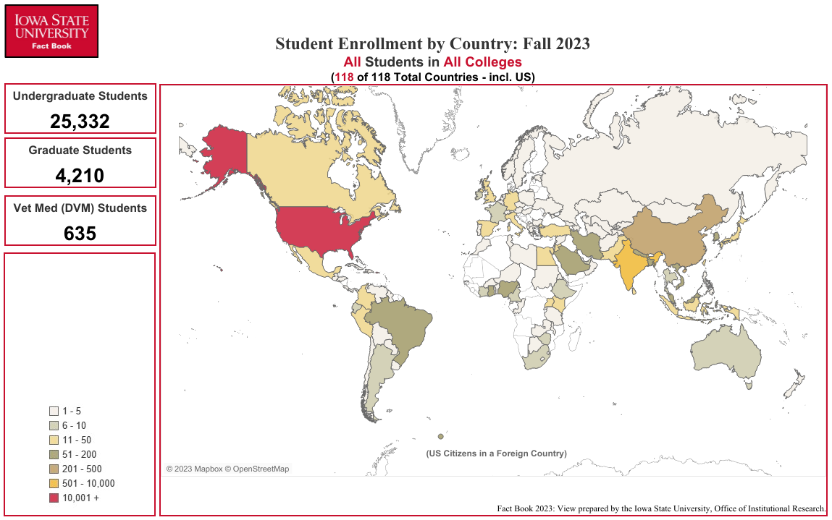
Enrollment by Country
Fall Semester 2023

COUNTRY | UG1 | GR1 | VM1 | Total | COUNTRY | UG1 | GR1 | VM1 | Total | COUNTRY | UG1 | GR1 | VM1 | Total
Afghanistan | 1 | 0 | 0 | 1 | Haiti | 0 | 1 | 0 | 1 | Poland | 1 | 1 | 0 | 2
Albania | 0 | 1 | 0 | 1 | Honduras | 1 | 1 | 0 | 2 | Portugal | 0 | 1 | 0 | 1
Argentina | 0 | 10 | 0 | 10 | Hong Kong | 2 | 1 | 0 | 3 | Qatar | 1 | 1 | 0 | 2
Australia | 5 | 1 | 0 | 6 | Hungary | 1 | 0 | 0 | 1 | Republic of the Congo | 0 | 1 | 0 | 1
Austria | 4 | 1 | 0 | 5 | India | 216 | 455 | 0 | 671 | Russia | 1 | 2 | 0 | 3
Azerbaijan | 1 | 2 | 0 | 3 | Indonesia | 9 | 12 | 0 | 21 | Rwanda | 0 | 1 | 0 | 1
Bangladesh | 15 | 147 | 0 | 162 | Iran | 2 | 160 | 0 | 162 | Saudi Arabia | 31 | 29 | 0 | 60
Barbados | 1 | 0 | 0 | 1 | Ireland | 9 | 1 | 0 | 10 | Seychelles | 2 | 0 | 0 | 2
Belgium | 1 | 0 | 0 | 1 | Israel | 2 | 0 | 0 | 2 | Singapore | 6 | 1 | 0 | 7
Benin | 2 | 2 | 0 | 4 | Italy | 6 | 11 | 0 | 17 | South Africa | 5 | 3 | 0 | 8
Bolivia | 2 | 1 | 0 | 3 | Japan | 12 | 3 | 0 | 15 | Spain | 11 | 2 | 0 | 13
Botswana | 0 | 2 | 0 | 2 | Jordan | 2 | 23 | 0 | 25 | Sri Lanka | 5 | 34 | 0 | 39
Brazil | 23 | 31 | 0 | 54 | Kazakhstan | 2 | 3 | 0 | 5 | Sudan | 2 | 1 | 0 | 3
Bulgaria | 0 | 1 | 0 | 1 | Kenya | 7 | 10 | 1 | 18 | Swaziland | 0 | 1 | 0 | 1
Burkina Faso | 0 | 1 | 0 | 1 | Korea, South | 69 | 91 | 0 | 160 | Sweden | 1 | 0 | 0 | 1
Cameroon | 5 | 5 | 0 | 10 | Kosovo | 1 | 1 | 0 | 2 | Switzerland | 0 | 1 | 0 | 1
Canada | 13 | 9 | 2 | 24 | Kuwait | 11 | 3 | 0 | 14 | Syria | 2 | 0 | 0 | 2
Chile | 1 | 1 | 0 | 2 | Kyrgyzstan | 1 | 0 | 0 | 1 | Taiwan | 9 | 27 | 3 | 39
China | 77 | 320 | 2 | 399 | Lebanon | 3 | 2 | 0 | 5 | Tajikistan | 3 | 0 | 0 | 3
Colombia | 3 | 12 | 0 | 15 | Lesotho | 0 | 1 | 0 | 1 | Tanzania | 1 | 3 | 0 | 4
Costa Rica | 1 | 4 | 0 | 5 | Libya | 0 | 2 | 0 | 2 | Thailand | 5 | 3 | 0 | 8
Cote d'Ivoire | 5 | 1 | 0 | 6 | Macedonia | 0 | 1 | 0 | 1 | The Bahamas | 2 | 1 | 0 | 3
Cuba | 2 | 1 | 0 | 3 | Malawi | 0 | 1 | 0 | 1 | The Gambia | 0 | 1 | 0 | 1
Czech Republic | 1 | 0 | 0 | 1 | Malaysia | 82 | 21 | 0 | 103 | Togo | 1 | 0 | 0 | 1
Dominica | 1 | 0 | 0 | 1 | Mexico | 3 | 8 | 0 | 11 | Tunisia | 2 | 0 | 0 | 2
Dominican Republic | 0 | 1 | 0 | 1 | Mongolia | 3 | 2 | 0 | 5 | Turkey | 8 | 24 | 0 | 32
Ecuador | 4 | 3 | 0 | 7 | Morocco | 3 | 0 | 0 | 3 | Turkmenistan | 3 | 0 | 0 | 3
Egypt | 5 | 15 | 0 | 20 | Nepal | 17 | 47 | 0 | 64 | Uganda | 9 | 17 | 0 | 26
El Salvador | 2 | 1 | 0 | 3 | Netherlands | 2 | 0 | 0 | 2 | Ukraine | 2 | 3 | 0 | 5
Equitoreal Guinea | 1 | 0 | 0 | 1 | New Zealand | 2 | 0 | 0 | 2 | United Arab Emirates | 9 | 1 | 0 | 10
Eritrea | 0 | 2 | 0 | 2 | Niger | 0 | 1 | 0 | 1 | United Kingdom | 11 | 2 | 0 | 13
Estonia | 1 | 0 | 0 | 1 | Nigeria | 11 | 64 | 0 | 75 | United States | 24,319 | 2,366 | 626 | 27,311
Ethiopia | 3 | 5 | 0 | 8 | Norway | 2 | 1 | 0 | 3 | Uruguay | 0 | 3 | 0 | 3
France | 4 | 3 | 0 | 7 | Oman | 5 | 0 | 0 | 5 | Uzbekistan | 2 | 0 | 0 | 2
Georgia | 2 | 1 | 0 | 3 | Pakistan | 8 | 35 | 0 | 43 | Venezuela | 1 | 0 | 0 | 1
Germany | 5 | 6 | 0 | 11 | Palestinian Territories | 0 | 3 | 0 | 3 | Vietnam | 38 | 17 | 0 | 55
Ghana | 3 | 79 | 0 | 82 | Panama | 1 | 0 | 0 | 1 | Zambia | 0 | 1 | 0 | 1
Greece | 0 | 2 | 0 | 2 | Paraguay | 0 | 1 | 0 | 1 | Zimbabwe | 2 | 4 | 0 | 6
Guatemala | 1 | 4 | 0 | 5 | Peru | 9 | 5 | 0 | 14
Guyana | 0 | 1 | 0 | 1 | Philippines | 0 | 2 | 0 | 2 | U.S. Citizen in a Foreign Country | 138 | 9 | 1 | 148

1 Undergraduate, Graduate, Vet Med (DVM)
Office of Institutional Research (Source:e-Data Warehouse) |  |  |  |  |  |  |  |  |  | Total Number: | 25,332 | 4,210 | 635 | 30,177
Last Updated: 9/22/2023

