Enrollment by State
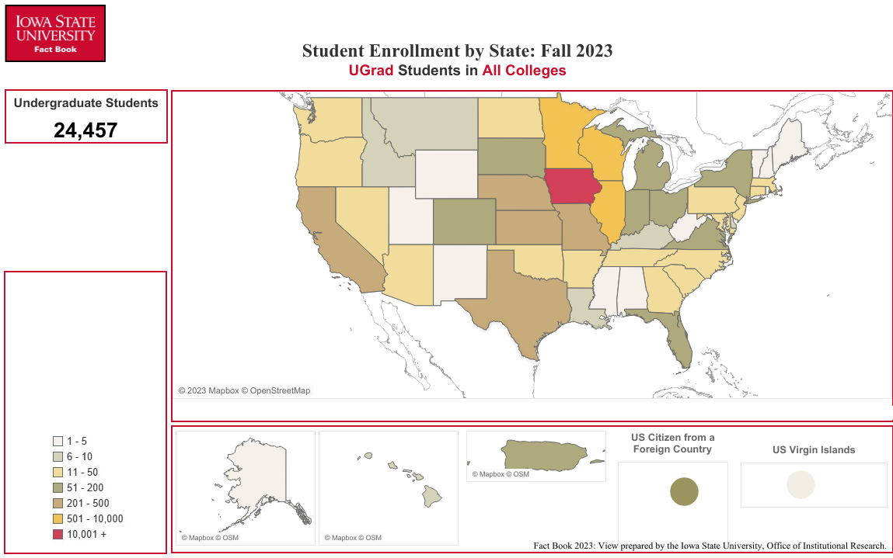
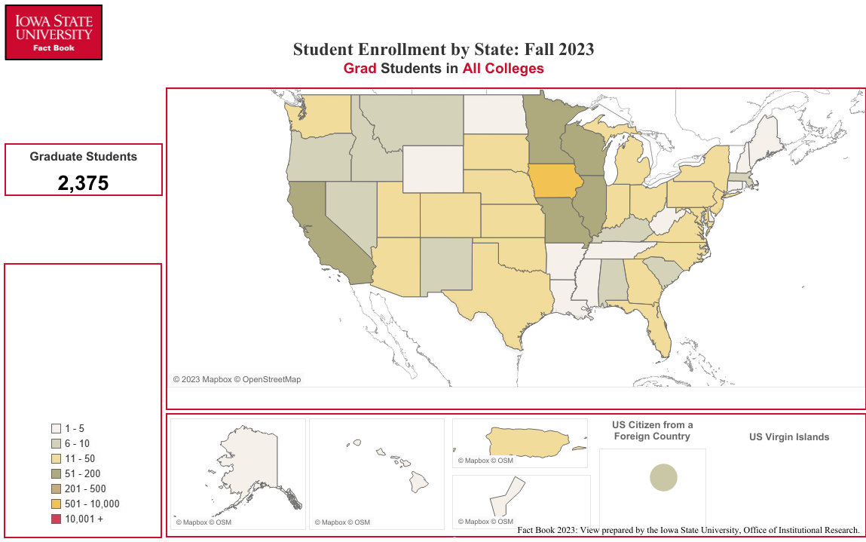
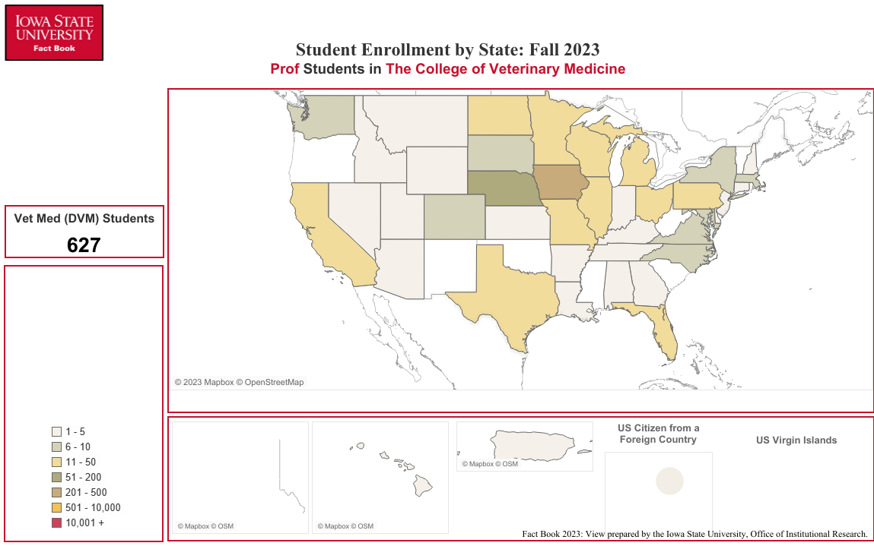
Enrollment by State/Territory
Fall Semester 2023

STATE | UG1 | GR1 | VM1 | Total | STATE | UG1 | GR1 | VM1 | Total | TERRITORY | UG1 | GR1 | VM1 | Total
Alabama | 4 | 7 | 1 | 12 | Montana | 7 | 9 | 2 | 18 | American Samoa | 0 | 1 | 0 | 1
Alaska | 5 | 1 | 0 | 6 | Nebraska | 361 | 43 | 109 | 513 | Dist. of Columbia | 5 | 5 | 0 | 10
Arizona | 27 | 13 | 4 | 44 | Nevada | 15 | 7 | 1 | 23 | Guam | 0 | 1 | 0 | 1
Arkansas | 11 | 5 | 1 | 17 | New Hampshire | 5 | 3 | 1 | 9 | Mariana Islands | 0 | 0 | 0 | 0
California | 206 | 77 | 24 | 307 | New Jersey | 35 | 13 | 4 | 52 | Puerto Rico | 130 | 13 | 5 | 148
Colorado | 118 | 39 | 7 | 164 | New Mexico | 5 | 6 | 0 | 11 | Virgin Islands | 2 | 0 | 0 | 2
Connecticut | 14 | 4 | 2 | 20 | New York | 57 | 30 | 10 | 97 | N/A | 0 | 0 | 0 | 0
Delaware | 7 | 1 | 2 | 10 | North Carolina | 29 | 12 | 6 | 47
Florida | 63 | 27 | 12 | 102 | North Dakota | 19 | 4 | 11 | 34 | U.S. Citizen in a
Georgia | 33 | 21 | 2 | 56 | Ohio | 66 | 33 | 16 | 115 | Foreign Country | 138 | 9 | 1 | 148
Hawaii | 8 | 2 | 1 | 11 | Oklahoma | 22 | 14 | 0 | 36
Idaho | 9 | 8 | 3 | 20 | Oregon | 14 | 8 | 0 | 22
Illinois | 3,697 | 168 | 21 | 3,886 | Pennsylvania | 30 | 25 | 14 | 69
Indiana | 74 | 29 | 4 | 107 | Rhode Island | 5 | 0 | 0 | 5 | Residency Not
Iowa | 14,858 | 1,205 | 234 | 16,297 | South Carolina | 14 | 6 | 0 | 20 | Established | 10 | 39 | 1 | 50
Kansas | 203 | 32 | 4 | 239 | South Dakota | 99 | 17 | 7 | 123
Kentucky | 10 | 8 | 2 | 20 | Tennessee | 22 | 5 | 5 | 32
Louisiana | 7 | 4 | 1 | 12 | Texas | 237 | 49 | 11 | 297
Maine | 3 | 4 | 0 | 7 | Utah | 3 | 12 | 3 | 18 | International
Maryland | 35 | 12 | 7 | 54 | Vermont | 4 | 0 | 0 | 4 | (non-U.S.) | 875 | 1,835 | 8 | 2,718
Massachusetts | 33 | 9 | 6 | 48 | Virginia | 52 | 22 | 7 | 81
Michigan | 66 | 26 | 21 | 113 | Washington | 33 | 14 | 7 | 54
Minnesota | 2,571 | 127 | 16 | 2,714 | West Virginia | 4 | 1 | 0 | 5
Mississippi | 1 | 5 | 0 | 6 | Wisconsin | 634 | 78 | 16 | 728
Missouri | 336 | 59 | 13 | 408 | Wyoming | 1 | 3 | 2 | 6

 |  |  |  |  |  |  |  |  |  | Total Number: | 25,332 | 4,210 | 635 | 30,177
1 Undergraduate, Graduate, Vet Med (DVM)

Office of Institutional Research (Source:e-Data Warehouse)
Last Updated: 9/22/2023

