Enrollment by County
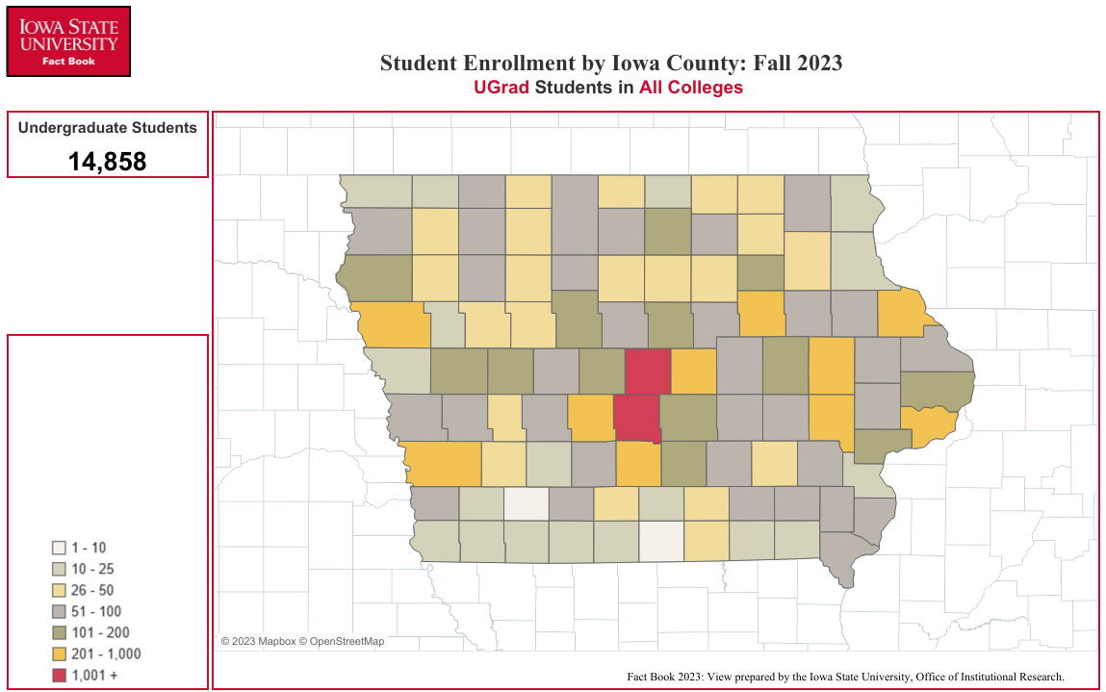
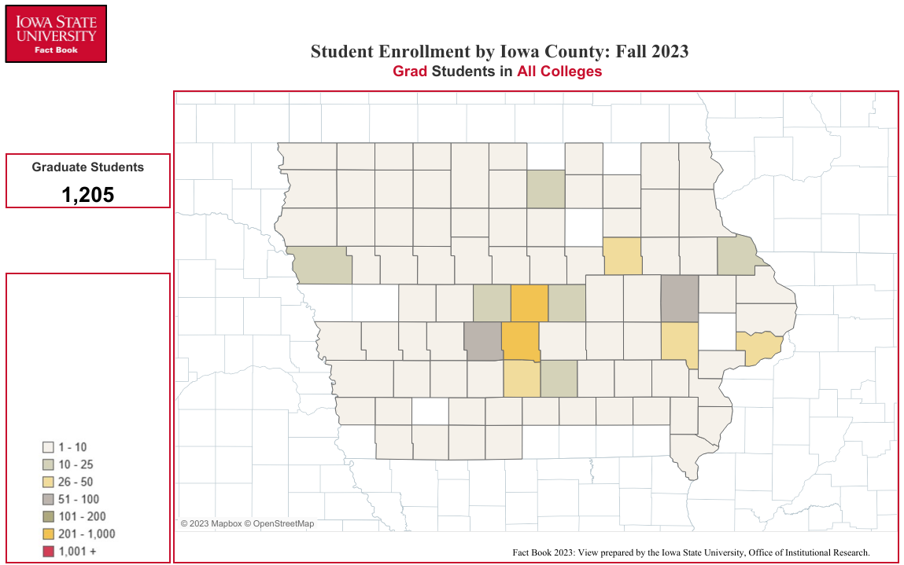
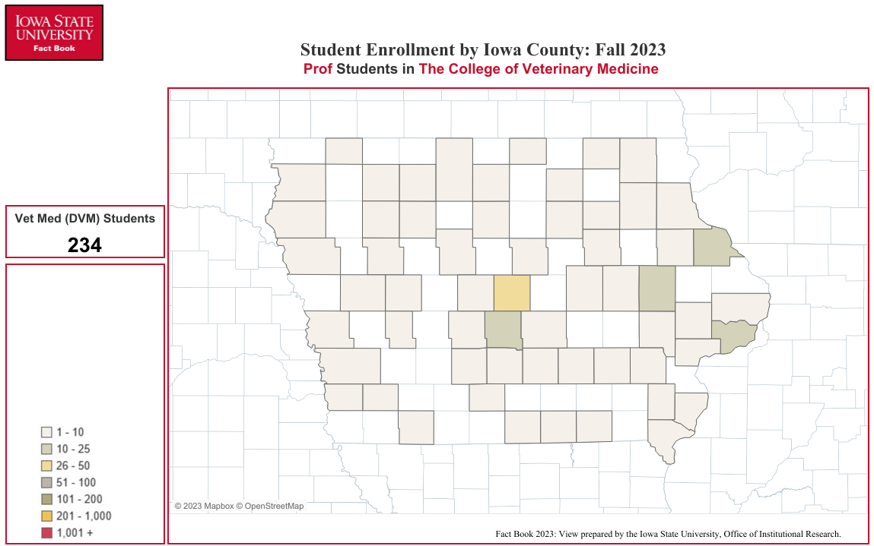
Enrollment by Iowa County
Fall Semester 2023

COUNTY | UG1 | GR1 | VM1 | Total |  | COUNTY | UG1 | GR1 | VM1 | Total |  | COUNTY | UG1 | GR1 | VM1 | Total
Adair | 21 | 4 | 0 | 25 | 0 | Floyd | 63 | 6 | 3 | 72 | 0 | Monona | 25 | 0 | 0 | 25
Adams | 10 | 0 | 0 | 10 | 0 | Franklin | 34 | 2 | 0 | 36 | 0 | Monroe | 41 | 1 | 0 | 42
Allamakee | 23 | 1 | 0 | 24 | 0 | Fremont | 14 | 0 | 0 | 14 |  | Montgomery | 23 | 1 | 2 | 26
Appanoose | 32 | 0 | 1 | 33 |  | Greene | 57 | 6 | 0 | 63 | 0 | Muscatine | 135 | 8 | 6 | 149
Audubon | 30 | 3 | 3 | 36 | 0 | Grundy | 64 | 2 | 0 | 66 | 0 | O'Brien | 48 | 3 | 0 | 51
Benton | 113 | 7 | 3 | 123 | 0 | Guthrie | 59 | 8 | 0 | 67 | 0 | Osceola | 21 | 1 | 1 | 23
Black Hawk | 351 | 42 | 6 | 399 | 0 | Hamilton | 98 | 8 | 0 | 106 | 0 | Page | 24 | 2 | 0 | 26
Boone | 186 | 17 | 2 | 205 | 0 | Hancock | 66 | 6 | 1 | 73 | 0 | Palo Alto | 38 | 2 | 1 | 41
Bremer | 105 | 8 | 3 | 116 | 0 | Hardin | 117 | 6 | 1 | 124 | 0 | Plymouth | 120 | 2 | 2 | 124
Buchanan | 61 | 8 | 0 | 69 | 0 | Harrison | 54 | 1 | 1 | 56 | 0 | Pocahontas | 26 | 2 | 1 | 29
Buena Vista | 70 | 6 | 1 | 77 | 0 | Henry | 55 | 7 | 1 | 63 | 0 | Polk | 3,767 | 301 | 23 | 4,091
Butler | 43 | 0 | 3 | 46 | 0 | Howard | 27 | 0 | 2 | 29 | 0 | Pottawattamie | 273 | 9 | 2 | 284
Calhoun | 46 | 4 | 0 | 50 | 0 | Humboldt | 62 | 4 | 0 | 66 | 0 | Poweshiek | 55 | 5 | 0 | 60
Carroll | 161 | 6 | 4 | 171 | 0 | Ida | 23 | 1 | 0 | 24 | 0 | Ringgold | 18 | 2 | 0 | 20
Cass | 45 | 2 | 0 | 47 | 0 | Iowa | 82 | 6 | 0 | 88 | 0 | Sac | 35 | 1 | 1 | 37
Cedar | 83 | 0 | 4 | 87 | 0 | Jackson | 51 | 3 | 0 | 54 | 0 | Scott | 625 | 29 | 16 | 670
Cerro Gordo | 179 | 16 | 0 | 195 | 0 | Jasper | 136 | 5 | 2 | 143 | 0 | Shelby | 68 | 6 | 0 | 74
Cherokee | 33 | 1 | 0 | 34 | 0 | Jefferson | 61 | 5 | 0 | 66 | 0 | Sioux | 84 | 6 | 8 | 98
Chickasaw | 44 | 2 | 0 | 46 | 0 | Johnson | 385 | 31 | 6 | 422 | 0 | Story | 1,132 | 280 | 32 | 1,444
Clarke | 29 | 1 | 1 | 31 | 0 | Jones | 53 | 1 | 0 | 54 | 0 | Tama | 74 | 1 | 2 | 77
Clay | 86 | 1 | 3 | 90 | 0 | Keokuk | 39 | 4 | 2 | 45 | 0 | Taylor | 17 | 2 | 1 | 20
Clayton | 24 | 3 | 1 | 28 | 0 | Kossuth | 72 | 6 | 2 | 80 | 0 | Union | 53 | 3 | 0 | 56
Clinton | 112 | 5 | 2 | 119 | 0 | Lee | 52 | 4 | 2 | 58 | 0 | Van Buren | 15 | 0 | 0 | 15
Crawford | 122 | 0 | 1 | 123 | 0 | Linn | 959 | 58 | 21 | 1,038 | 0 | Wapello | 52 | 4 | 0 | 56
Dallas | 905 | 54 | 5 | 964 | 0 | Louisa | 24 | 3 | 0 | 27 | 0 | Warren | 336 | 27 | 7 | 370
Davis | 22 | 0 | 1 | 23 | 0 | Lucas | 16 | 1 | 0 | 17 | 0 | Washington | 82 | 7 | 2 | 91
Decatur | 20 | 1 | 0 | 21 | 0 | Lyon | 24 | 2 | 0 | 26 | 0 | Wayne | 10 | 0 | 1 | 11
Delaware | 72 | 1 | 3 | 76 | 0 | Madison | 97 | 2 | 2 | 101 | 0 | Webster | 145 | 7 | 3 | 155
Des Moines | 58 | 4 | 1 | 63 | 0 | Mahaska | 53 | 4 | 3 | 60 | 0 | Winnebago | 50 | 4 | 0 | 54
Dickinson | 88 | 4 | 0 | 92 | 0 | Marion | 170 | 11 | 4 | 185 | 0 | Winneshiek | 55 | 7 | 1 | 63
Dubuque | 294 | 19 | 13 | 326 | 0 | Marshall | 239 | 19 | 0 | 258 | 0 | Woodbury | 367 | 20 | 3 | 390
Emmet | 34 | 2 | 0 | 36 | 0 | Mills | 76 | 3 | 1 | 80 | 0 | Worth | 23 | 0 | 1 | 24
Fayette | 45 | 3 | 2 | 50 | 0 | Mitchell | 46 | 4 | 0 | 50 | 0 | Wright | 46 | 8 | 1 | 55

 |  |  |  |  |  |  |  |  |  |  |  | Total Number: | 14,858 | 1,205 | 234 | 16,297
1 Undergraduate, Graduate, Vet Med (DVM)

Office of Institutional Research (Source:e-Data Warehouse)
Last Updated: 9/22/2023

