Alumni Inside US
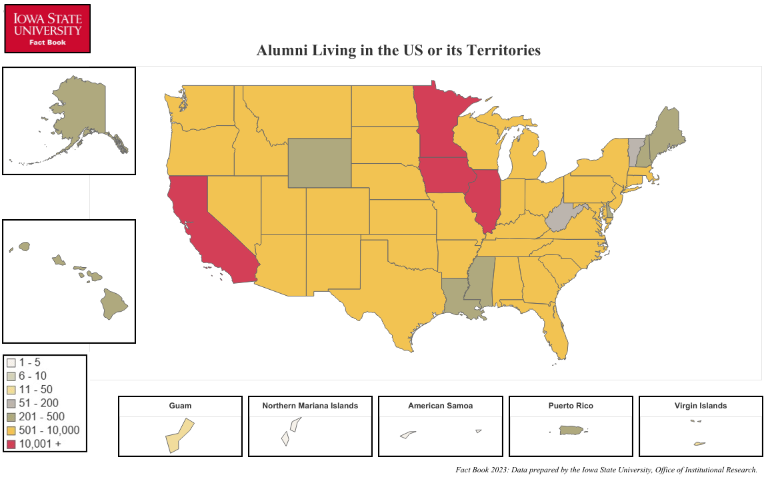
Alumni Living in the United States or its Territories
Fall 2023 Living Alumni

STATE/TERRITORY AND NUMBER OF LIVING ALUMNI WITH KNOWN ADDRESSES
Alabama | 757 | Montana | 647 | District of Columbia | 338
Alaska | 327 | Nebraska | 5,752 | American Samoa | 2
Arizona | 4,971 | Nevada | 935 | Guam | 21
Arkansas | 917 | New Hampshire | 306 | Northern Mariana Islands | 4
California | 11,370 | New Jersey | 1,320 | Puerto Rico | 276
Colorado | 8,223 | New Mexico | 891 | U.S. Virgin Islands | 24
Connecticut | 722 | New York | 2,517
Delaware | 233 | North Carolina | 3,129
Florida | 5,849 | North Dakota | 508
Georgia | 2,337 | Ohio | 2,715
Hawaii | 387 | Oklahoma | 1,042
Idaho | 851 | Oregon | 2,112
Illinois | 17,634 | Pennsylvania | 1,991
Indiana | 2,499 | Rhode Island | 145
Iowa | 124,172 | South Carolina | 1,189
Kansas | 4,214 | South Dakota | 1,856
Kentucky | 775 | Tennessee | 1,720
Louisiana | 494 | Texas | 9,808
Maine | 307 | Utah | 767
Maryland | 1,959 | Vermont | 188
Massachusetts | 1,503 | Virginia | 2,944
Michigan | 2,745 | Washington | 4,330
Minnesota | 19,926 | West Virginia | 132
Mississippi | 271 | Wisconsin | 6,900
Missouri | 6,014 | Wyoming | 339

 |  |  |  | Total Number: | 274,305
Office of Institutional Research (Source: ISU Foundation)
Last Updated: 10/25/2023

